SU 0800 001
University | Ecole Centrale de Lyon |  |  |  | Back to BOM |  |  |  | Car # | 81 |  | Part Cost | $1.37
System | Suspension & Shocks |  | FileLink1 |  |  |  |  |  |  |  |  | Qty | 4
Assembly | Rear Bell Crank |  | FileLink2 |  |  |  |  |  | FileLink1
Part | Rocker bushing |  | FileLink3 |  |  |  |  |  | FileLink2 |  |  | Extended Cost | $5.48
P/N Base | SU 0800 001 |  |  |  |  |  |  |  | FileLink3
Suffix | AA
Details

ItemOrder | Material | Use | UnitCost | Size1 | Unit1 | Size2 | Unit2 | Area Name | Area | Length | Density | Quantity | Sub Total
10 | Plastic, Flouropolymers | Stock material for bushings | $3.30 | 0.014 | kg |  |  | Round area, diameter 15 mm | 1.77E-04 | 0.009 | 8500 | 1 | $0.05
 |  |  |  |  |  |  |  |  |  |  |  | Sub Total | $0.05

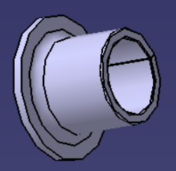
ItemOrder | Process | Use | UnitCost | Unit | Quantity | Multiplier | Mult. Val. | Sub Total
10 | Machining Setup, Install and remove |  | $1.30 | unit | 1 |  |  | $1.30
20 | Machining (turning) | Machining removal | $0.04 | cm^3 | 1.25 | Material - Plastic | 0.5 | $0.03
 |  |  |  |  |  |  | Sub Total | $1.33

 | Commentaire : | Cette année les cousinets sont en acier recouvert de téflon (ce n'est pas du teflon pur). L'an dernier c'était du bronze.
 |  | Le process que je décris là ne marche donc pas vraiment…
 |  | Ce serait plutôt le même process mais avec de l'acier et ensuite on recouvre de teflon, mais j'ai pas trouv" comment faire ça dans le cost

SU 0600 003

University | Ecole Centrale de Lyon |  |  |  |  | Back to BOM |  |  | Car # | 81 |  | Part Cost | $2.06
System | Suspension & Shocks |  | FileLink1 | Drawing |  |  |  |  |  |  |  | Qty | 4
Assembly | Rear Bell Crank |  | FileLink2 |  |  |  |  |  | FileLink1
Part | Sheet of metal for the rocker |  | FileLink3 |  |  |  |  |  | FileLink2 |  |  | Extended Cost | $8.26
P/N Base | SU 0800 003 |  |  |  |  |  |  |  | FileLink3
Suffix | AA
Details

ItemOrder | Material | Use | UnitCost | Size1 | Unit1 | Size2 | Unit2 | Area Name | Area | Length | Density | Quantity | Sub Total
10 | Steel, Mild | Material for rocker | $2.25 | 0.15307500 | kg |  |  | Rectangular sheet 100*65 mm^2 | 0.00650000 | 0.003 | 7,850 | 1.00 | $0.34
 |  |  |  |  |  |  |  |  |  |  |  | Sub Total | $0.34

ItemOrder | Process | Use | UnitCost | Unit | Quantity | Multiplier | Mult. Val. | Sub Total
10 | Machining setup, install and remove | Insert and remove parts from laser | $1.30 | unit | 1 | 4 parts made from a single machine setup | 0.25 | $0.33
20 | Laser cut | Cutting the sheets | $0.01 | cm | 46.5 | Material - Steel | 3 | $1.40
 |  |  |  |  |  |  | Sub Total | $1.72

dSU 0800 003
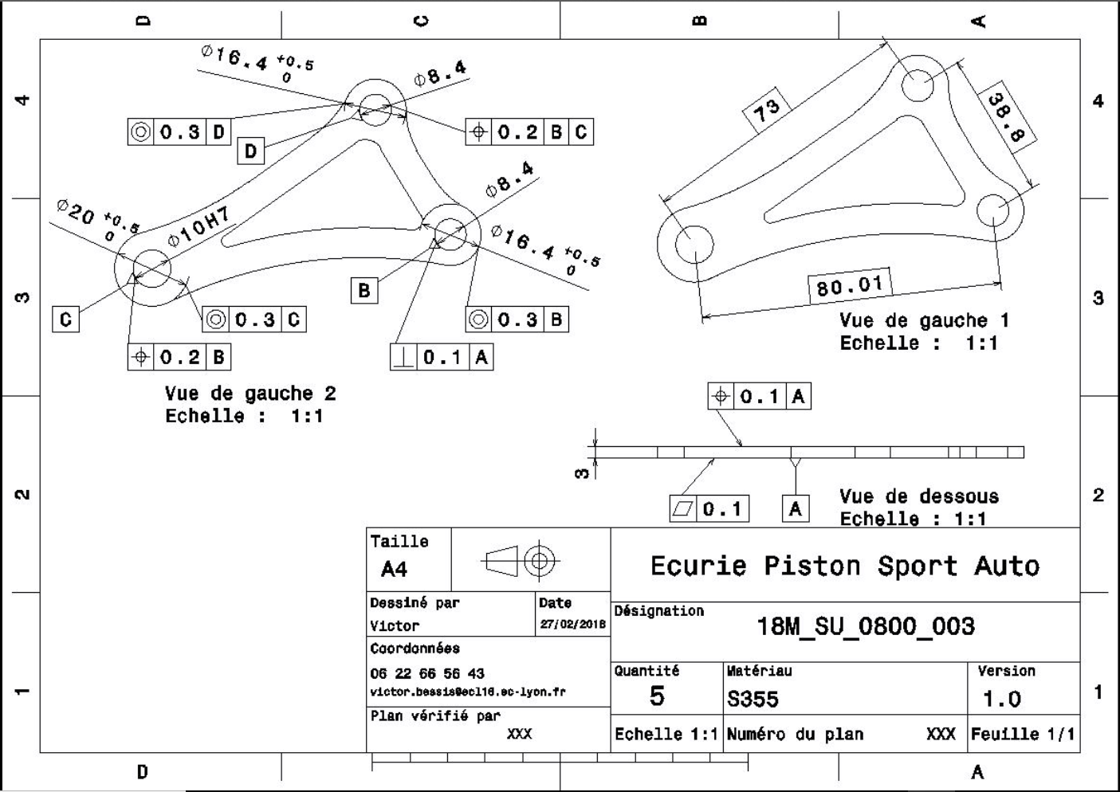
Drawing part: | SU 0800 003

SU 0800 004
University | Ecole Centrale de Lyon |  |  |  | Back to BOM |  |  |  | Car # | 81 |  | Part Cost | $3.38
System | Suspension & Shocks |  | FileLink1 |  |  |  |  |  |  |  |  | Qty | 2
Assembly | Rear Bell Crank |  | FileLink2 |  |  |  |  |  | FileLink1
Part | Rear rocker mount |  | FileLink3 |  |  |  |  |  | FileLink2 |  |  | Extended Cost | $6.76
P/N Base | SU 0800 004 |  |  |  |  |  |  |  | FileLink3
Suffix | AA
Details

ItemOrder | Material | Use | UnitCost | Size1 | Unit1 | Size2 | Unit2 | Area Name | Area | Length | Density | Quantity | Sub Total
10 | Steel, Mild | Raw material | $2.25 | 0.364 | kg |  |  | Rectangular sheet 58*50 mm^2 | 2.90E-03 | 0.016 | 7850 | 1 | $0.82
 |  |  |  |  |  |  |  |  |  |  |  | Sub Total | $0.82

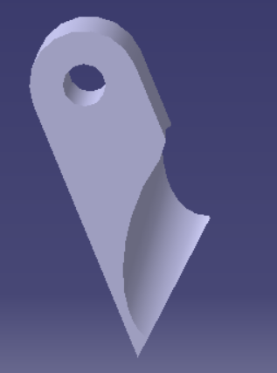
ItemOrder | Process | Use | UnitCost | Unit | Quantity | Multiplier | Mult. Val. | Sub Total
10 | Machining setup, install and remove | Insert and remove parts from laser | $1.30 | unit | 1 | 2 parts made from a single machine setup | 0.5 | $0.65
20 | Laser cut | Cutting the sheets | $0.01 | cm | 20 | Material - Steel | 3 | $0.60
30 | Machining Setup, Install and remove |  | $1.30 | unit | 1 |  |  | $1.30
40 | Machining | Machining removal | $0.04 | cm^3 | 0.07 | Material - Steel | 3 | $0.01
 |  |  |  |  |  |  | Sub Total | $2.56

